Pen Assignments
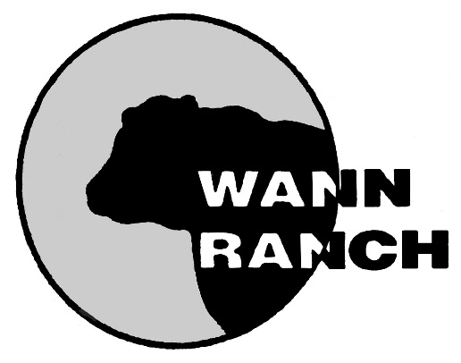
Office

 |  |  |  |  |  |  |  |  | SALE BARN

Wann Ranch Sale Facility

9,13,14,16,17
 | 6,7,8
Pen 3 |  | 3,4,5
feed
shed
 | Pen 2 |  | 2
 |  | Pen 1 |  | 1
18,19,20,21,22 |  |  | Pen 2A
 |  |  |  | Pen 1A
Pen 4

23,24,25 |  |  |  |  |  |  | 10,11,12
 |  |  |  |  |  |  | Pen 17
Pen 5 |  | 69-76 |  |  |  |  |  | 149-155

26,27,28 |  | 78-86 |  |  |  |  | Pen 18

Pen 6 |  | 88-111 |  |  |  |  | 62
 |  |  |  |  |  |  | Pen 19
29,30,31 |  | Pen 13 |  |  |  |  |  | 156,158,160,162,163,166,167,168
 |  |  |  |  |  |  | Pen 20
Pen 7 |  |  |  |  |  | 63,64,65,66,67,68
 |  | 40,41,42 | 43,44,45,46 | 47,48,49
32,33,34,35 |  | Pen 10 | Pen 11 | Pen 12 |  | Pen 16 | 214-219

Pen 8 |  |  |  |  |  |  | Pen 21

36,37,38,39 |  | 50,51,52,53,55 57 -61 |  |  | 112-126

Pen 9
 |  | Pen 14 |  |  | Pen 15 |  | Pen 22 |  | 54

186-191 |  |  |  | 130-147
 |  |  |  |  |  |  | 170,171-176,178-184
193-199

201,203-211,213
 |  |  |  |  |  |  |  |  |  | Pen 23

Pen 26 |  |  |  | Pen 27

